Sheet1
2: Route to appropriate Laravel Controller
1: Submit user request
Routing
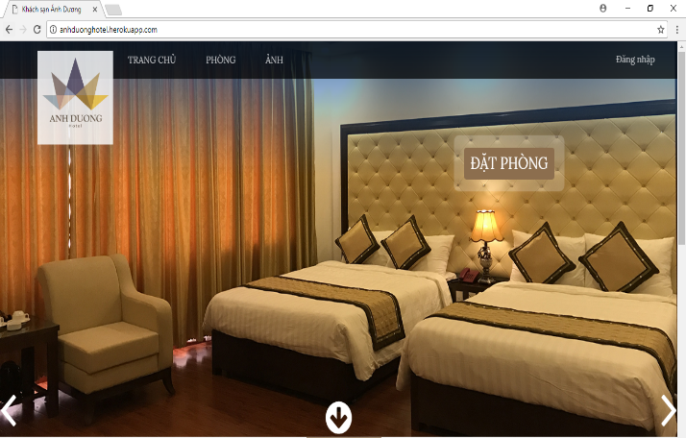

Database
Controller

3: Interact with DAO

5: Controller invokes results View
4: Interact with Data Model

View
DAO
Model

6: Render view in users browser

